Sayfa1
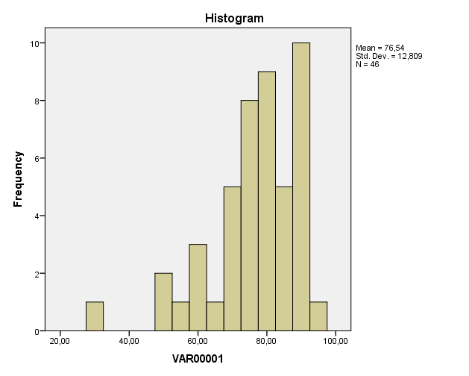
Vize | z | T
88 | 0.89439725613 | 58.943972561 | Statistics
62 | -1.1353923422 | 38.646076578 | VAR00001
93 | 1.2847414097 | 62.847414097 | N | Valid | 46
79 | 0.19177777978 | 51.917777798 |  | Missing | 0
87 | 0.81632842543 | 58.163284254 | Mean |  | 76.5435
70 | -0.51084169658 | 44.891583034 | Median |  | 78.5000
72 | -0.35470403517 | 46.452959648 | Mode |  | 88.00
92 | 1.206672579 | 62.06672579 | Std. Deviation |  | 12.80921
50 | -2.0722183107 | 29.277816893
75 | -0.12049754305 | 48.79502457
56 | -1.6038053265 | 33.961946735
83 | 0.5040531026 | 55.040531026
89 | 0.97246608684 | 59.724660868
91 | 1.1286037483 | 61.286037483
73 | -0.27663520446 | 47.233647955
92 | 1.206672579 | 62.06672579
88 | 0.89439725613 | 58.943972561
78 | 0.11370894907 | 51.137089491
88 | 0.89439725613 | 58.943972561
90 | 1.0505349175 | 60.505349175
51 | -1.99414948 | 30.0585052
62 | -1.1353923422 | 38.646076578
85 | 0.66019076402 | 56.60190764
82 | 0.4259842719 | 54.259842719
78 | 0.11370894907 | 51.137089491
84 | 0.58212193331 | 55.821219333
80 | 0.26984661048 | 52.698466105
84 | 0.58212193331 | 55.821219333
80 | 0.26984661048 | 52.698466105
80 | 0.26984661048 | 52.698466105
88 | 0.89439725613 | 58.943972561
72 | -0.35470403517 | 46.452959648
74 | -0.19856637375 | 48.014336262
70 | -0.51084169658 | 44.891583034
79 | 0.19177777978 | 51.917777798
76 | -0.04242871234 | 49.575712877
77 | 0.035640118366 | 50.356401184
64 | -0.97925468082 | 40.207453192
30 | -3.6335949248 | 13.664050752
60 | -1.2915300036 | 37.084699964
75 | -0.12049754305 | 48.79502457
72 | -0.35470403517 | 46.452959648
75 | -0.12049754305 | 48.79502457
81 | 0.34791544119 | 53.479154412
89 | 0.97246608684 | 59.724660868
77 | 0.035640118366 | 50.356401184

76.543478261
12.809209398

